Report
Executive Report

1. Regional Asset Distribution and Stability Analysis

Insight: Among three countries, Germany holds 39% of total assets despite having only 25% of customer base. Additionally, an average German account has ($119.7K) balance which is double amount of other two countries. Only 23% CV further prove the stability of Germanany average asset and standard deviation ($27K) confirms that 68% of German customers have (between $93K and $147K). However, French and Spain have (CV > 100 %) showing the variance in asset composition.

Country | Customer Count | % from Total Balance | Average Balance | Std. Dev | CV%
France | 5014 | 41% | 62,092.64 | 64,133.57 | 103%
Germany | 2509 | 39% | 119,730.12 | 27,022.01 | 23%
Spain | 2477 | 20% | 61,818.15 | 64,235.56 | 104%
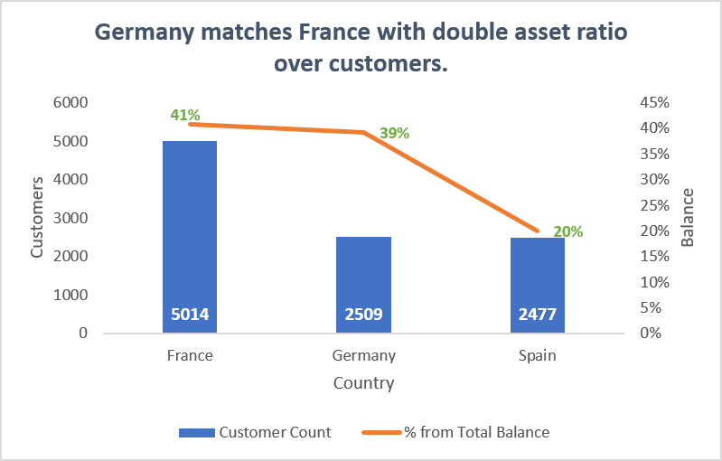
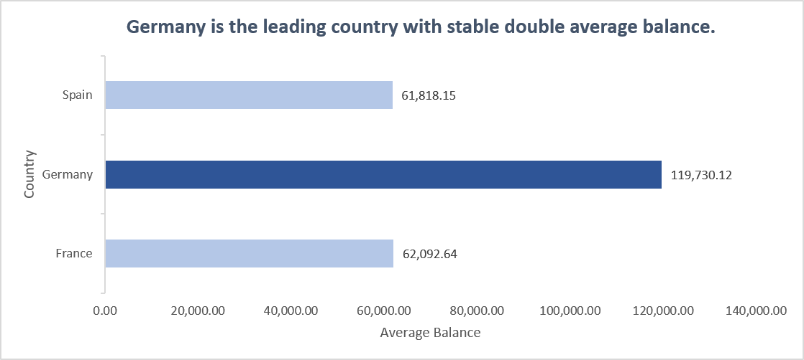

2. Diagnostic Analysis on Germany Asset Strength

Operational Diagnostic: Germany’s dominant asset position is independent of income levels. Unlike France and Spain, which suffer from a high volume of zero-balance accounts, the German account maintains a minimum customer deposit of $27.2K. Furthermore, cross-tabulation reveals that income does not dictate wealth concentration in this region: zero German clients earning under $1K in salary hold a balance below $10K. This proves that the Germany holds highly capitalized consumer segment rather than a standard transactional banking pool.

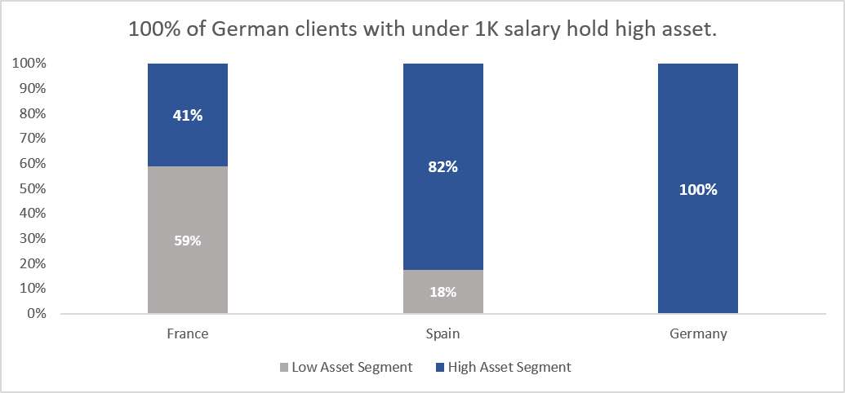
Country | Customers with Salary <1K | Customers with Salary <1K & Balance<10K | Low Asset Segment | High Asset Segment
France | 34 | 20 | 59% | 41%
Spain | 34 | 6 | 18% | 82%
Germany | 34 | 0 | 0% | 100%

3. Factors Dominating the Retention Rate

Cross-tabulation reveals that Medium-Tenure customers control the highest percentage of total assets across all regions. However, a critical retention vulnerability exists among long-term clients: in France and Germany. Crucially, correlation analysis confirms no significant statistical relationship between Satisfaction Scores and customer tenure, proving that surface-level satisfaction metrics are masking deep relationship. To discover this long-term attrition, our analytical focus must shift entirely from passive satisfaction tracking to aggressive diagnostic profiling of complaints and immediate churn triggers.

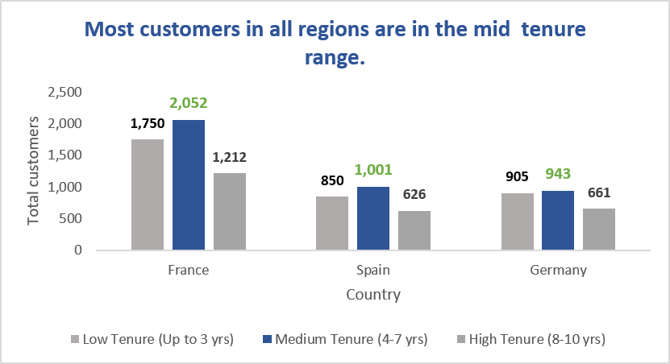
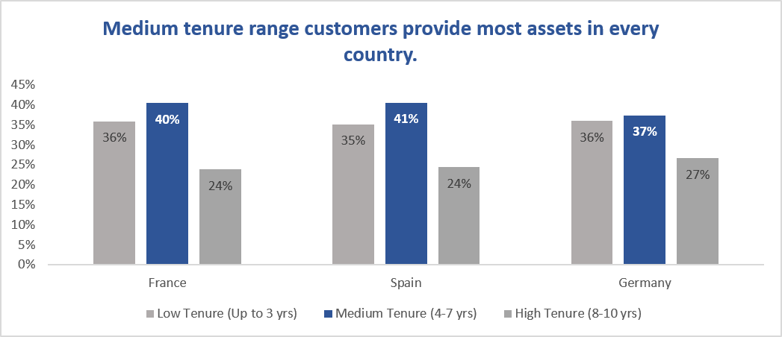

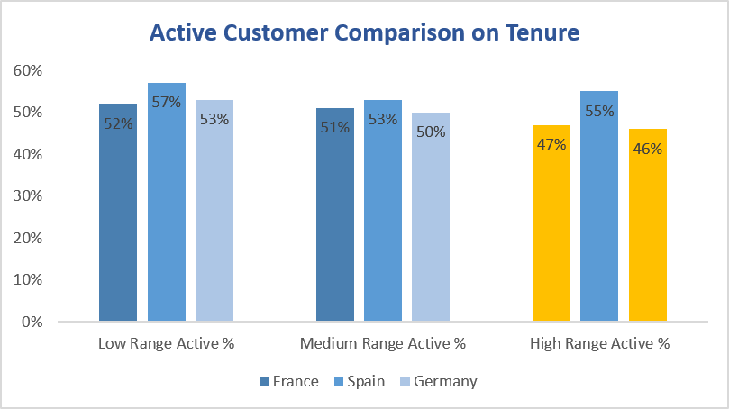

4. Churn Pattern Analysis
Customer inactivity represents a massive threat to the bank's revenue stability, with 30% to 40% of the entire customer base is highly sensitive to friction. When inactive accounts experience operational failures, their baseline churn probability immediately spikes to 30% of total base. This volatility is proven by Spain's high-tenure segment, where a 38% complaint rate triggers a severe 24% attrition rate. Most critically, this vulnerability exposes the bank's core assets in Germany; while German clients average a premium $120K balance, a staggering 60% of them will completely exit the bank upon experiencing a service failure and registering a complaint.

** For Spain, 38% of Inacative for High Tenure and Churn is 9% for having complaints. 9/38 = 0.236 (23.6%) attrition rate.

Retention of Inactive Customer without Complain on Tenure and Geography |  |  |  |  |  |  | Churn of Inactive Customer with Complain on Tenure and Geography
Country | Low Tenure | Medium Tenure | High Tenure |  |  |  | Country | Low Tenure | Medium Tenure | High Tenure
 | (Up to 3 yrs) | (4-7 yrs) | (8-10 yrs) |  |  |  |  | (Up to 3 yrs) | (4-7 yrs) | (8-10 yrs)
France | 37% | 38% | 39% |  |  |  | France | 10% | 10% | 10%
Spain | 34% | 37% | 38% |  |  |  | Spain | 11% | 12% | 9%
Germany | 27% | 31% | 31% |  |  |  | Germany | 20% | 19% | 23%

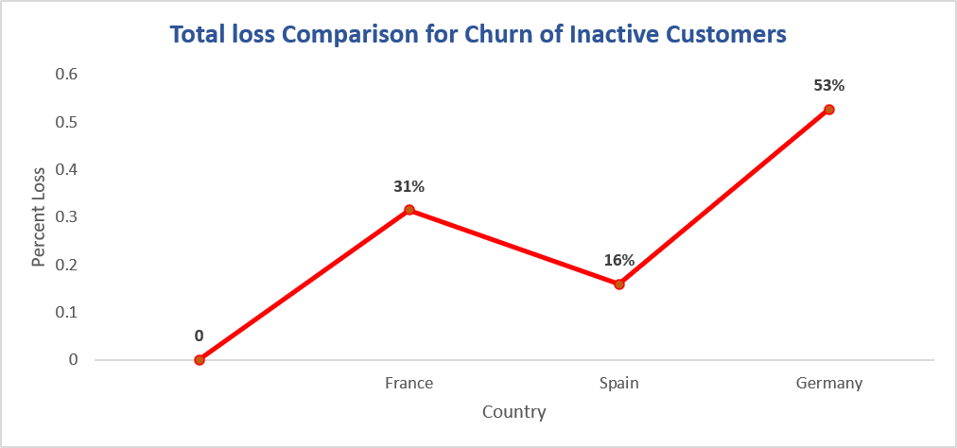

 |  | Country | Loss from Exited Inactive Customers | Percent from total loss

 |  | France | 37,141,838.71 | 31%
 |  | Spain | 18,803,193.91 | 16%
 |  | Germany | 62,135,729.57 | 53%

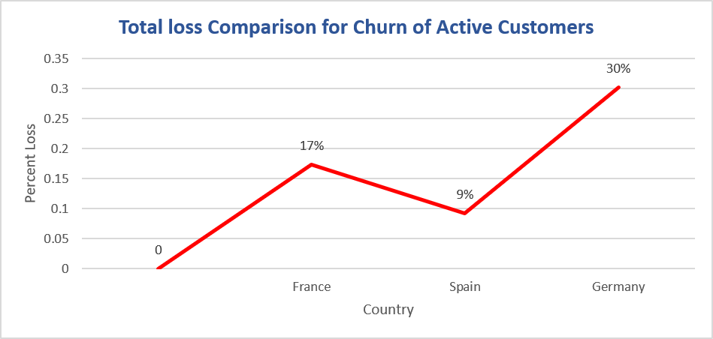
Churn of Active customers with Complain
Country | Low Tenure | Medium Tenure | High Tenure
 | (Up to 3 yrs) | (4-7 yrs) | (8-10 yrs)
France | 7% | 5% | 7%
Spain | 8% | 47% | 4%
Germany | 12% | 13% | 10%

 | Loss of Active Customers Churn
 | Country | Total Loss of Active Churn | Percent from total loss

 | France | 20,483,410.28 | 17%
 | Spain | 10,931,674.45 | 9%
 | Germany | 35,705,583.08 | 30%

While German customers remain the primary drivers of both total asset concentration and churn risk, maintaining long-term financial stability requires a universal complaint-resolution mechanisms across all regions. Proactive friction management must be aggressively deployed for both active and dormant account segments. Failing to resolve operational complaints is directly threatening the bank's core balance sheet stability.

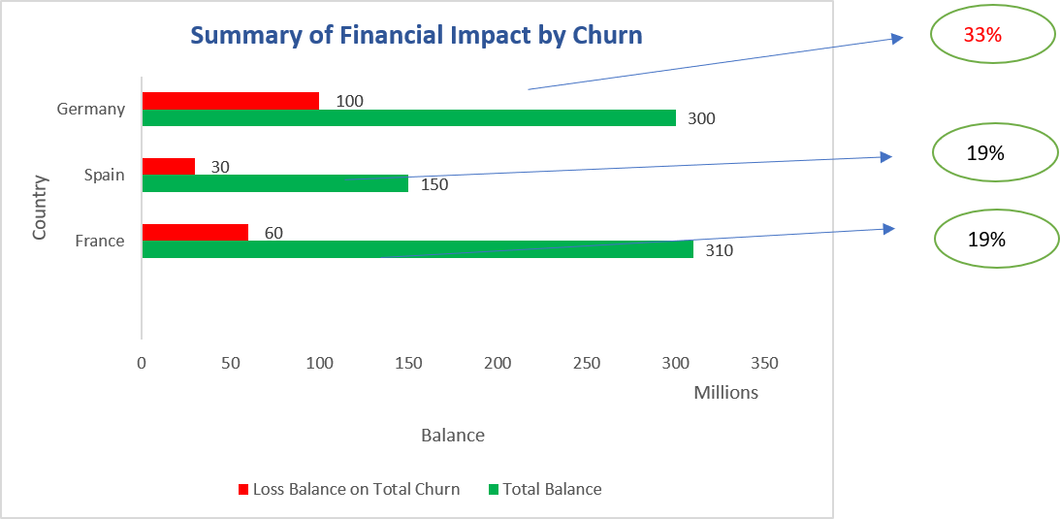

Country | Total Asset | Loss Asset on Total Churn | Percent of loss asset on each country | Current Asset

France | 311,332,479.49 | 57,625,249 | 19% | 253,707,230.50
Spain | 153,123,552.01 | 29,734,868 | 19% | 123,388,683.65
Germany | 300,402,861.38 | 97,841,313 | 33% | 202,561,548.73
Total | 764,858,892.88 | 185,201,430 | - | 579,657,462.88

5. Predictive Analysis with Churn Pattern

Updated Remaining Active Customer with No Complain |  |  |  |  | Churn Rate of Loyal Active Customer with Complain
Country | Low Tenure | Medium Tenure | High Tenure |  | Country | Low Tenure | Medium Tenure | High Tenure
 | (Up to 3 yrs) | (4-7 yrs) | (8-10 yrs) |  |  | (Up to 3 yrs) | (4-7 yrs) | (8-10 yrs)
France | 813 | 950 | 529 |  | France | 7% | 5% | 7%
Spain | 402 | 467 | 301 |  | Spain | 8% | 47% | 4%
Germany | 372 | 340 | 236 |  | Germany | 12% | 13% | 10%
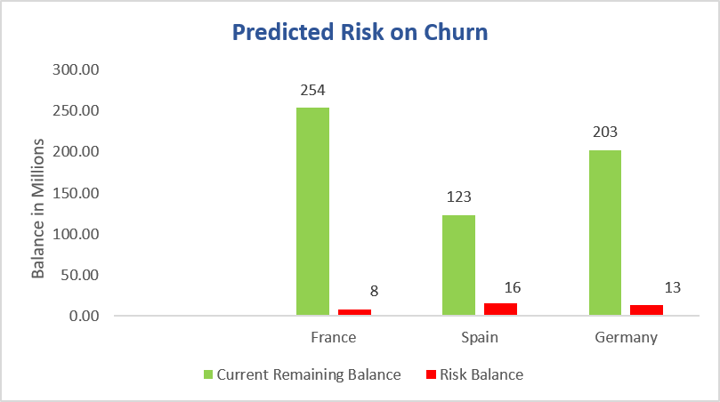

Country | Current Remaining Balance | Risk Balance | Risk Percent
France | 253,707,231 | 8,435,303 | 3%
Spain | 123,388,684 | 15,869,768 | 13%
Germany | 202,561,549 | 13,420,851 | 7%

Handling complaints and service issues will prevent possible risk on financial stability. Although Spain has the highest percent, each country is still equally important to handle.

6. Impact of Churn on Top 10 VIP customers from each country

Historical churn data reveals that the bank has already encountered a severe $4M capital drain from the churn of French and Spanish VIP clients. With the remaining VIP segment holding approximately $3.5M in high-value deposits, the bank faces a critical concentration risk. Against our current total asset base of $580M, the complete defection of these remaining VIPs would instantly wipe out an additional 1% of total assets. This suggests making targeted VIP retention is an immediate operational priority.

Country | Customers Count |  | Balance |  | Percent from total Balance
 | Remaining | Exited | Remaining | Exited | Remaining | Exited
France | 5 | 5 | 1,050,410.95 | 1,075,090.13 | 0.34% | 0.35%
Spain | 2 | 8 | 425,755.83 | 1,734,729.22 | 0.28% | 1.13%
Germany | 10 | 0 | 2,016,811.90 | 0 | 0.67% | 0.00%

7. Current 10 VIP Customers

 | France |  |  | Germany |  |  | Spain
 | ID | SurName |  | ID | SurName |  | ID | SurName
 | 15574119 | Okwuadigbo |  | 15575605 | Napolitano |  | 15576680 | Stevenson
 | 15609286 | Chadwick |  | 15576216 | Chienezie |  | 15599251 | Chung
 | 15627665 | Sung |  | 15578738 | Tuan |  | 15613816 | Mao
 | 15632669 | Rees |  | 15586757 | Anenechukwu |  | 15632575 | Moore
 | 15650098 | Baranova |  | 15588449 | Chuang |  | 15644280 | Udegbunam
 | 15650237 | Morgan |  | 15604314 | Webb |  | 15644295 | Hargreaves
 | 15675626 | Dawson |  | 15610140 | He |  | 15645353 | Chubb
 | 15698335 | Bergamaschi |  | 15623560 | Onyekachukwu |  | 15662758 | Watson
 | 15706269 | Willis |  | 15630195 | Johnstone |  | 15665834 | Cheatham
 | 15716000 | Hs?eh |  | 15633233 | McFarland |  | 15680405 | P'eng

